1-P2&70CM
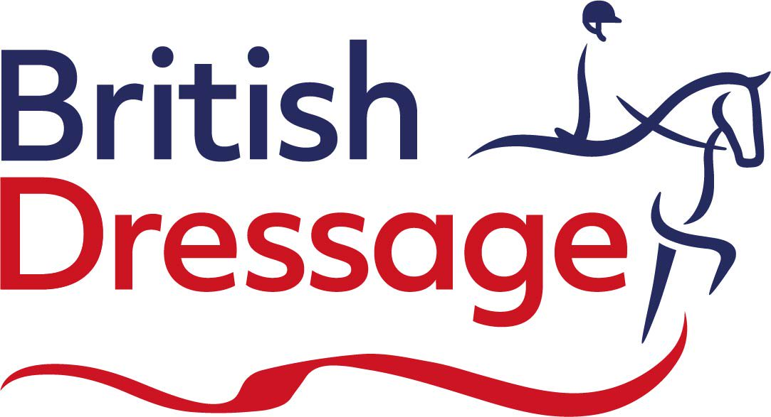
BRITISH DRESSAGE COMBINED TRAINING
Venue: | Brook Farm TC |  | Date: | 2023-02-04
Test: P2 & 70cm |  |  | Dressage Judge: | Anita Darken
 |  |  | Show Jump Judge: | Penny Maples
Arena: | 1

NO | Dressage Time | SJ TIME | Rider Name | BD No. | Horse Name | Horse No. | Score | Coll | DR % | SJ Faults | SJ Time | Total | Total % | Place
8 | 08:58 |  | Kirsty Davies | 1919677 | Easter Sparrow | 1919677 | 201.5 | 69.0 | 69.48% | 0 | 51.8 | 201.5 | 69.48% | 1Q
2 | 08:44 |  | Zoe Brown | 1921187 | Mister Grey Guy | 1943936 | 201 | 69.0 | 69.31% | 0 | 51.91 | 201 | 69.31% | 2Q
34 | 10:37 |  | Francesca Tompkins | 1949060 | Batty Boy | 1949060 | 200.5 | 70.0 | 69.14% | 0 | 46.82 | 200.5 | 69.14% | 3
29 | 10:16 |  | Zanna Saville | 1711135 | Just Look At Me | 1732007 | 197 | 68.0 | 67.93% | 0 | 49.37 | 197 | 67.93% | 4
5 | 10:02 |  | Jo Westlake | Unreg | Trixies Sir Russell | Unreg | 194 | 67.0 | 66.90% | 0 | 46 | 194 | 66.90% | 5
24 | 09:12 |  | Becky Wainwright | 1812697 | Pablo | Unreg | 197.5 | 67.0 | 68.10% | 4 | 69.55 | 193.5 | 66.72% | 6
45 | 09:40 |  | Hannah Young | 1913757 | Corglass Daithi | 1934631 | 193.5 | 66.0 | 66.72% | 0 | 52.72 | 193.5 | 66.72% | 7
7 | 09:05 |  | Sarah Henderson | Unreg | Hanningfield Bertie | Unreg | 193 | 67.0 | 66.55% | 0 | 48.83 | 193 | 66.55% | 8
14 | 09:26 |  | Olivia Preston | 1917901 | Santa II | 1939383 | 193 | 67.0 | 66.55% | 0 | 58.93 | 193 | 66.55% | 9
4 | 09:33 |  | Charlotte Wells | 282367 | Mission Colour | 44308 | 194.5 | 66.0 | 67.07% | 4 | 54.65 | 190.5 | 65.69% | 10
9 | 10:09 |  | Roxanne Simmons | 1913346 | Penstrumbly Upsee Daisy | 1946602 | 193.5 | 67.0 | 66.72% | 8 | 45.45 | 185.5 | 63.97% | 11
47 | 09:19 |  | Michelle Cole | 287865 | Appach | Unreg | 185 | 65.0 | 63.79% | 0 | 56.15 | 185 | 63.79% | 12
26 | 10:30 |  | Victoria Innell | Unreg | Domino Dapper Jack | Unreg | 184.5 | 62.0 | 63.62% | 0 | 48.13 | 184.5 | 63.62% | 13
36 | 10:23 |  | Geraldine Phillips | 401148 | Ardville Arkansas | Unreg | 182.5 | 63.0 | 62.93% | 0 | 45.86 | 182.5 | 62.93% | 14
53 | 08:51 |  | Jenny Cochrane | 1915988 | Llangattock Merlyn | 1936793 | 184 | 64.0 | 63.45% | 4 | 42.71 | 180 | 62.07% | 15
62 | 10:44 |  | Mark Barber | Unreg | Spirit | Unreg | 178 | 59.0 | 61.38% | 8 | 50.1 | 170 | 58.62% | 16
54 | 10:51 |  | Jenny Cochrane | 1915988 | Tothamhill Reuben | 1936794 | 166 | 56.0 | 57.24% | 0 | 42.26 | 166 | 57.24% | 17
59 | 08:30 |  | Alice Gibbons | Unreg | Peregrine Falcon | Unreg | 190 | 66.0 | 65.52% | RET | RET | RET | RET | RET
21 | 08:37 |  | Charlotte Gomez | Unreg | Bacardi Z | Unreg | WD | WD | WD | WD | WD | WD | WD | WD

